Hiearchy View
CLASS: RADIO SCANNER
radio receiver that can automatically tune, or scan, two or more discrete frequencies, stopping when it finds a signal on one of them and then continuing to scan other frequencies when the initial transmission ceases. |  | 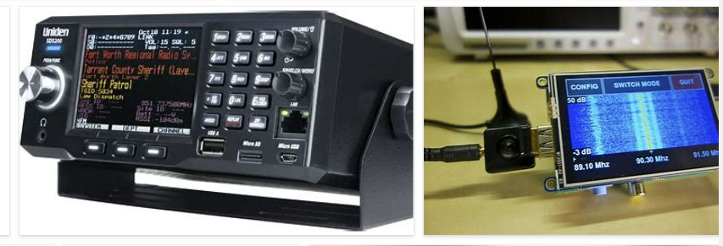
REMOVE | N

PROBLEM_DESC | CAUSE_DESC | REMEDY_DESC
BROKEN/DAMAGED
LIGHTING
NOISE
OTHER PROBLEM
OVERHEATING
POWER-ELEC
STOPPED/SLOWED/POOR OPS
TEMP-CTRL
Grand Total

